Documentation
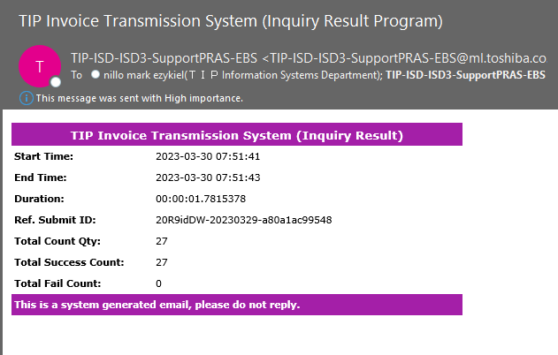
ISSUE: BIR EIS no Transmission notification

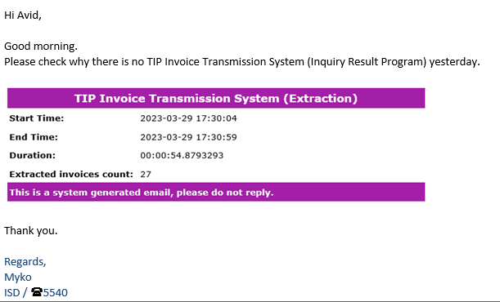
LIKE THIS

Root cause: | Based on our investigation, an error occurred exactly 6pm yesterday due to timing, which resulted in a BIR EIS no Transmission notification.
 | However, when we checked the invoices this morning, we found out that all 27 invoices had been transferred to BIR but still had an extracted status in the database,
 | which is why there was no notification.

Resolution: | We re-ran the program, and now all 27 invoices are in a 'TRANSFERRED' status.

Recommendation: | To prevent this from happening again, we can change the program's execution timing, as per Sir Ronnel's recommendation.

Steps to resolve this issue
SAMPLE EMAIL FOR THIS ISSUE |  | ROOT CAUSE EXPLANATION AND RECOMMENDATION
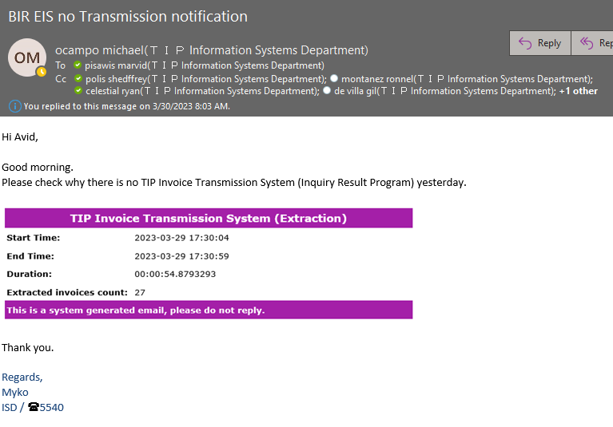

STEP 1: Please check the status of the invoices for the specified date.

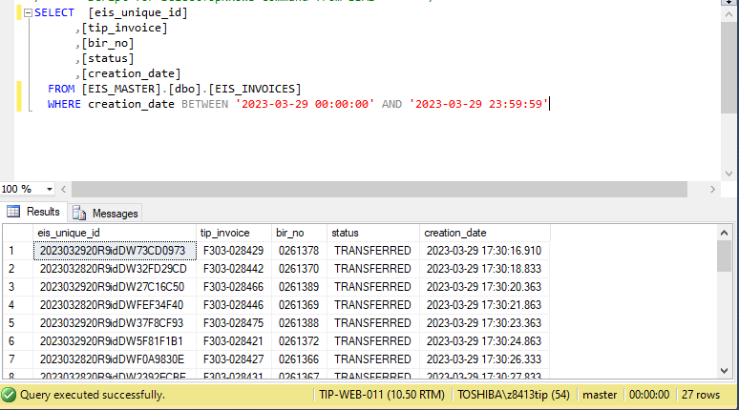
The invoices are currently in 'EXTRACTED' status, but they should be in 'TRANSFERRED' status.

STEP 2: GO TO \\tip-web-008 AND CHECK THE FOLDERS FOR TRANSFERRED

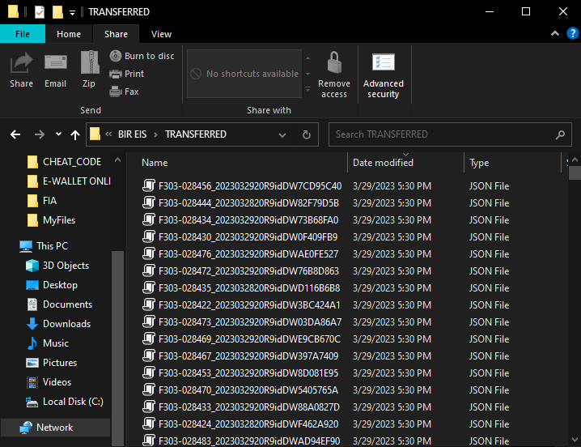

Check all the invoices on the BIR website using the EIS ID.

EIS UNIQUE ID

SAMPLE ONLY

 | STEP 3: After confirming that all the invoices have been transferred, we now have to rerun the program to update the status to 'Transferred' so that we can receive an email for transmission notification.

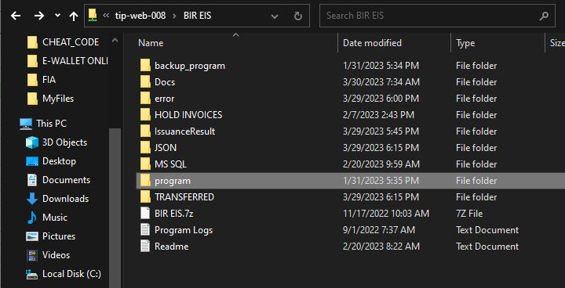

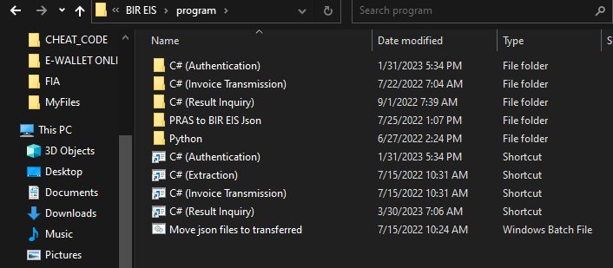
If not, click this.

You can run this shortcut if the problem is on the same day or SYSDATE.

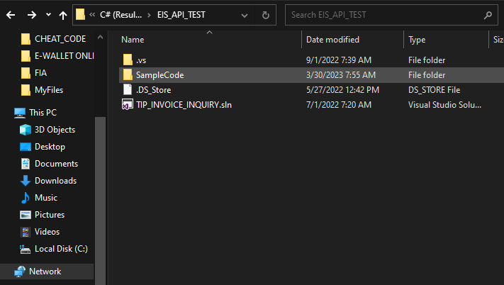

Open this file

 | If the problem is on the same day, you can simply run this (InquiryResultCaller.cs). If not, proceed to the next screenshot.

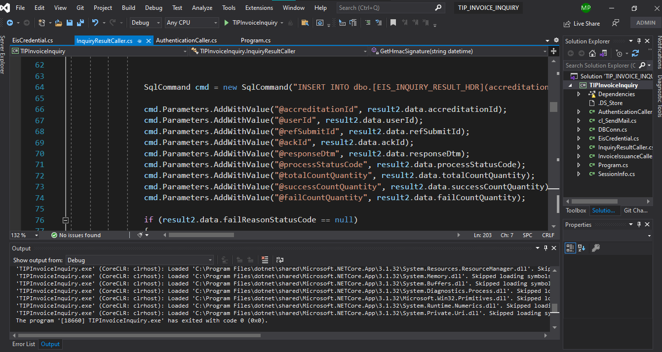

 | IF THE PROBLEM IS FROM THE PREVIOUS DAY

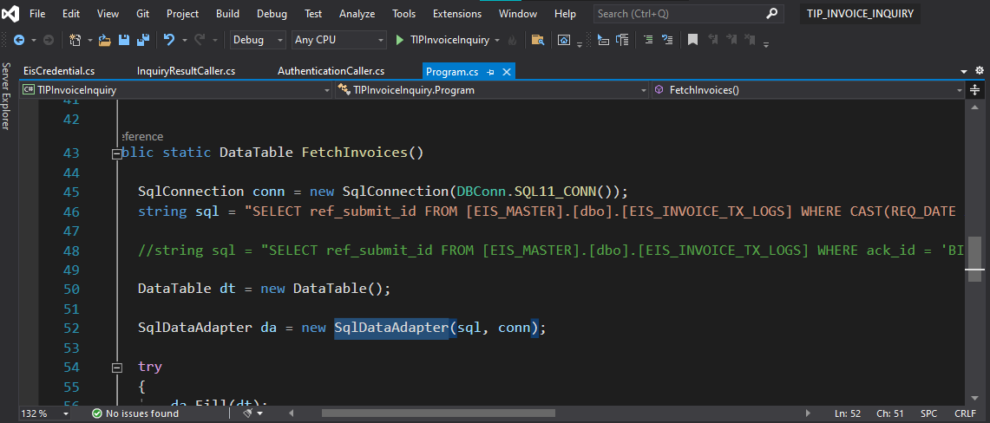

Comment out this query and create your own query based on the date or data you need to recover.

 | NOTE: Don't forget to return the program to its original query, which fetches data from the current day or sysdate.

RECOMMENDATION EXEC
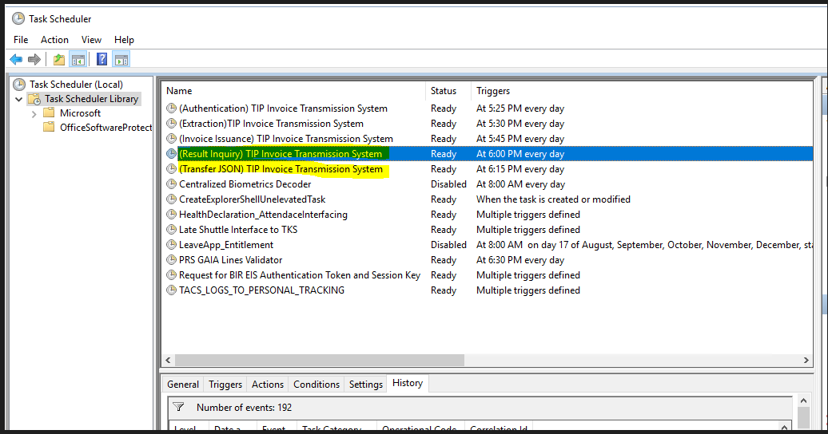
OLD TIMING FOR RESULT INQUIRY AND TRANSFER JSON

